Sheet1
Picture | Common Name | Company | Model Number | Description | Quantity | Cost | Total Cost | Additional Remarks
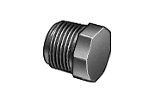 | Hex Plug | McMaster-Carr http://www.mcmaster.com/#4596k72/=437lq6 | 4596k72 | Connection Type Threaded Connection Size=3/8 Inch Male x Plug PVC Max Pressure: 2000psi @200F, 4000psi @200F Temp Range: 35 to 200 F | 2 | $2.12 | $4.24 | Need to drill out orifice to specified diameter, .082in and .044in. This can be used for both the alum and chlorine doser.
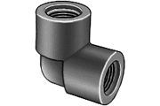 | Plastic 90 Deg Elbow | McMaster-Carr http://www.mcmaster.com/#plastic-pipe-fittings-and-pipe/=41mjdr | 4589K21 | Pipe/Thread Size=3/8 Inch Connection Type Threaded Female x Female Plastic Schedule 80 | 2 | $5.44 | $10.88 | This can be used for both the alum and chlorine doser.
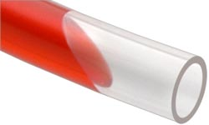 | PVC Tubing | McMaster-Carr http://www.mcmaster.com/#53945k33/=41n0k7 | 53945K33 | Clear Inner Diameter=3/8 Inch Outer Diameter 1/2 Inch PVC Comes in 6 Feet Length | 2 | $9.06 | $18.12 | This can be used for both the alum and chlorine doser.
 | Barb Adaptor | McMaster-Carr http://www.mcmaster.com/#5372k118/=41mswd | 5372K118 | For 3/8 Inch PVC Tubing, Pipe Thread Size=3/8 Inch Nylon Barb x Male Comes in a pack of 10 Max Pressure 75 psi @ 72° F Operating Temperature Range +32° to +167° F Multiple Barbs for Extra Gripping Power | 1 | $4.55 | $4.55 | This can be used for both the alum and chlorine doser.
 | Clip Holder | http://www.mcmaster.com/#straps-and-hangers/=42bfmb | 1723A63 | Steel Holds 3/8" Hose Vinyl-coated | 2 | $1.61 | $3.22 | This can be used for both the alum and chlorine doser.

